Reward reward
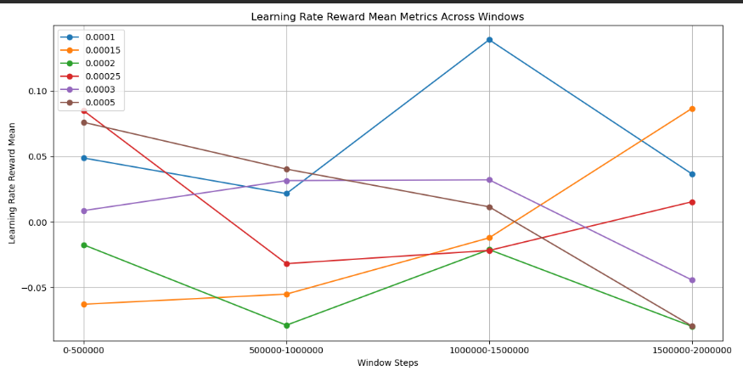
Window Mean Table:
0.0001 0.00015 0.0002 0.00025 0.0003 0.0005
0-500000 0.048826 -0.062696 -0.017354 0.084887 0.008735 0.076062
500000-1000000 0.021678 -0.054977 -0.078675 -0.031736 0.031589 0.040388
1000000-1500000 0.139036 -0.012049 -0.021005 -0.021677 0.032193 0.011617
1500000-2000000 0.036681 0.086628 -0.079584 0.015435 -0.044221 -0.079292

Performing ANOVA test for Means:
ANOVA Results: F-statistic = 1.8086, P-value = 0.1619
No significant difference between groups.

Ranking Groups for Means:

Best Overall Group: 0.0001 with Points = 19 and Average Value = 0.0616

Performing Pairwise T-Tests for Means:

Pairwise T-Tests for Means:
{'Comparison': '0.0001 vs 0.00015', 'T-statistic': 1.669885601477819, 'P-value': 0.14921869172022498, 'Significant': False}
{'Comparison': '0.0001 vs 0.0002', 'T-statistic': 3.504536778646788, 'P-value': 0.01624291447805722, 'Significant': True}
{'Comparison': '0.0001 vs 0.00025', 'T-statistic': 1.3338784130359125, 'P-value': 0.230641228970445, 'Significant': False}
{'Comparison': '0.0001 vs 0.0003', 'T-statistic': 1.7058675817118707, 'P-value': 0.14559872199110732, 'Significant': False}
{'Comparison': '0.0001 vs 0.0005', 'T-statistic': 1.1629688701574536, 'P-value': 0.2911272908993934, 'Significant': False}

The group '0.0001' is NOT statistically significantly better than all other groups for Means.

Plotting Mean Metrics:

Reward slopes
Calculating Slope Metrics:

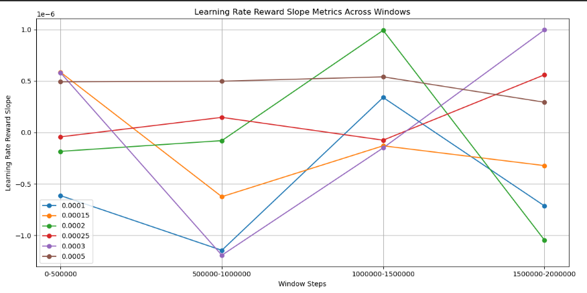
Window Slope Table:
0.0001 0.00015 0.0002 0.00025 0.0003 0.0005
0-500000 -6.133118e-07 5.856335e-07 -1.837700e-07 -4.271726e-08 5.807760e-07 4.920263e-07
500000-1000000 -1.144905e-06 -6.243019e-07 -7.953858e-08 1.465665e-07 -1.192639e-06 4.980691e-07
1000000-1500000 3.398866e-07 -1.296911e-07 9.921264e-07 -7.490596e-08 -1.500309e-07 5.402244e-07
1500000-2000000 -7.140080e-07 -3.221583e-07 -1.046116e-06 5.602828e-07 9.963009e-07 2.935760e-07

Performing ANOVA test for Slopes:
ANOVA Results: F-statistic = 1.0880, P-value = 0.4004
No significant difference between groups.

Ranking Groups for Slopes:

Best Overall Group: 0.0005 with Points = 19 and Average Value = 0.0000

Performing Pairwise T-Tests for Slopes:

Pairwise T-Tests for Slopes:
{'Comparison': '0.0005 vs 0.0001', 'T-statistic': 3.112006969057784, 'P-value': 0.04869522770259151, 'Significant': True}
{'Comparison': '0.0005 vs 0.00015', 'T-statistic': 2.2004261614292804, 'P-value': 0.10757154571654073, 'Significant': False}
{'Comparison': '0.0005 vs 0.0002', 'T-statistic': 1.2705217696675812, 'P-value': 0.29075044699557856, 'Significant': False}
{'Comparison': '0.0005 vs 0.00025', 'T-statistic': 1.9767822233388201, 'P-value': 0.12219647440090209, 'Significant': False}
{'Comparison': '0.0005 vs 0.0003', 'T-statistic': 0.8229884789071126, 'P-value': 0.4694141494390954, 'Significant': False}

The group '0.0005' is NOT statistically significantly better than all other groups for Slopes.

Plotting Slope Metrics:

ELO means
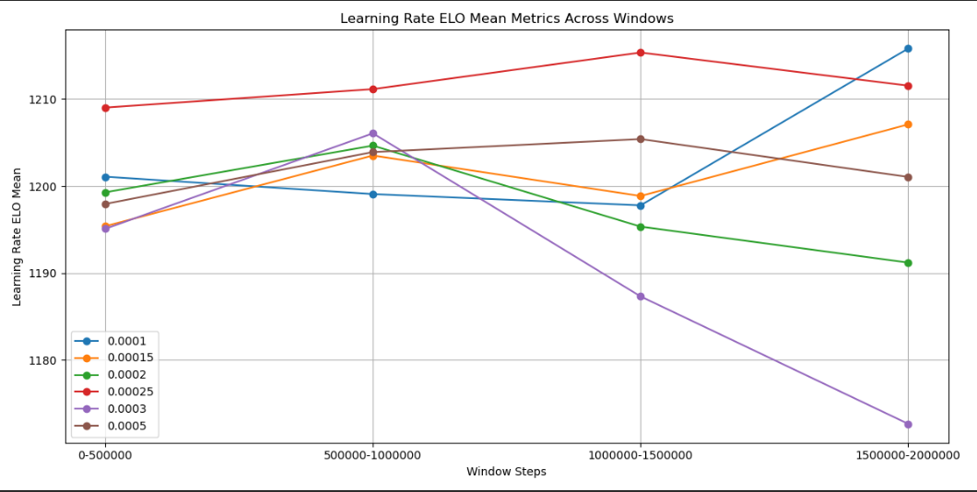
Calculating Mean Metrics:

Window Mean Table:
0.0001 0.00015 0.0002 0.00025 0.0003 0.0005
0-500000 1201.084415 1195.388067 1199.284299 1209.034267 1195.085389 1197.949540
500000-1000000 1199.085418 1203.519502 1204.657224 1211.157568 1206.070657 1203.914746
1000000-1500000 1197.787336 1198.863796 1195.339924 1215.365718 1187.310884 1205.410630
1500000-2000000 1215.829499 1207.098616 1191.200366 1211.556406 1172.647554 1201.055403

Performing ANOVA test for Means:
ANOVA Results: F-statistic = 3.4790, P-value = 0.0225
There is a significant difference between groups.

Ranking Groups for Means:

Best Overall Group: 0.00025 with Points = 23 and Average Value = 1211.7785

Performing Pairwise T-Tests for Means:

Pairwise T-Tests for Means:
{'Comparison': '0.00025 vs 0.0001', 'T-statistic': 1.899833072470811, 'P-value': 0.13837521400354735, 'Significant': False}
{'Comparison': '0.00025 vs 0.00015', 'T-statistic': 3.654002994900855, 'P-value': 0.017858057988805114, 'Significant': True}
{'Comparison': '0.00025 vs 0.0002', 'T-statistic': 4.48583237570074, 'P-value': 0.009710845824418895, 'Significant': True}
{'Comparison': '0.00025 vs 0.0003', 'T-statistic': 3.0081535996737356, 'P-value': 0.05253073981518574, 'Significant': False}
{'Comparison': '0.00025 vs 0.0005', 'T-statistic': 4.596143446271498, 'P-value': 0.004178333286442846, 'Significant': True}

The group '0.00025' is NOT statistically significantly better than all other groups for Means.

Plotting Mean Metrics:

ELO slopes
Calculating Slope Metrics:
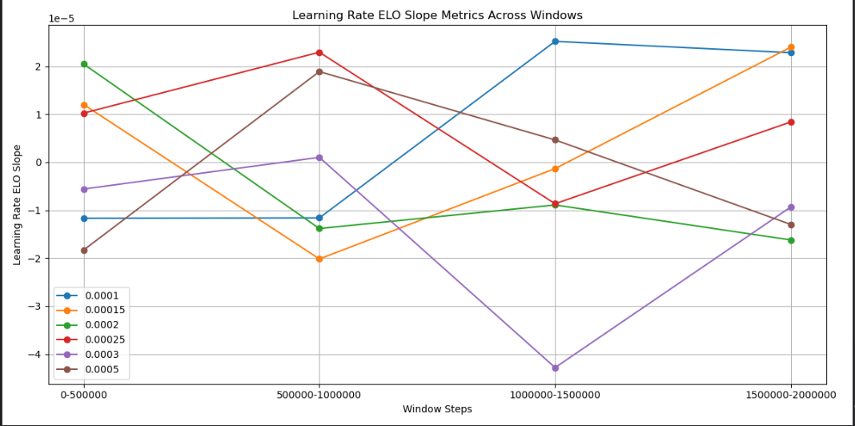
Window Slope Table:
0.0001 0.00015 0.0002 0.00025 0.0003 0.0005
0-500000 -0.000012 0.000012 0.000020 0.000010 -0.000006 -0.000018
500000-1000000 -0.000012 -0.000020 -0.000014 0.000023 0.000001 0.000019
1000000-1500000 0.000025 -0.000001 -0.000009 -0.000009 -0.000043 0.000005
1500000-2000000 0.000023 0.000024 -0.000016 0.000008 -0.000009 -0.000013

Performing ANOVA test for Slopes:
ANOVA Results: F-statistic = 0.8637, P-value = 0.5241
No significant difference between groups.

Ranking Groups for Slopes:

Best Overall Group: 0.00025 with Points = 17 and Average Value = 0.0000

Performing Pairwise T-Tests for Slopes:

Pairwise T-Tests for Slopes:
{'Comparison': '0.00025 vs 0.0001', 'T-statistic': 0.16754678896878178, 'P-value': 0.8734357025003173, 'Significant': False}
{'Comparison': '0.00025 vs 0.00015', 'T-statistic': 0.4004492198037383, 'P-value': 0.7044373053660227, 'Significant': False}
{'Comparison': '0.00025 vs 0.0002', 'T-statistic': 1.201679164737841, 'P-value': 0.2777376342698426, 'Significant': False}
{'Comparison': '0.00025 vs 0.0003', 'T-statistic': 1.9089688438672452, 'P-value': 0.11217965163521766, 'Significant': False}
{'Comparison': '0.00025 vs 0.0005', 'T-statistic': 0.949990156871117, 'P-value': 0.38122411569934095, 'Significant': False}

The group '0.00025' is NOT statistically significantly better than all other groups for Slopes.

Plotting Slope Metrics:

Entropy Means
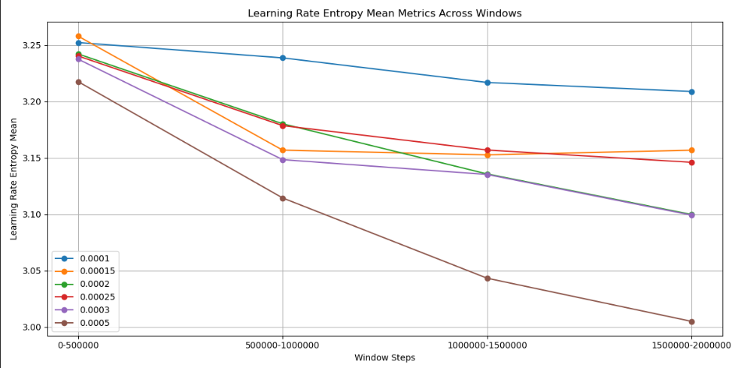
Calculating Mean Metrics:

Window Mean Table:
0.0001 0.00015 0.0002 0.00025 0.0003 0.0005
0-500000 3.252131 3.257800 3.242044 3.240231 3.237432 3.217500
500000-1000000 3.238553 3.156809 3.180159 3.178548 3.148388 3.114429
1000000-1500000 3.216775 3.152639 3.135700 3.156911 3.135254 3.043327
1500000-2000000 3.208777 3.156746 3.099779 3.146006 3.099215 3.005075

Performing ANOVA test for Means:
ANOVA Results: F-statistic = 2.2125, P-value = 0.0980
No significant difference between groups.

Ranking Groups for Means:

Best Overall Group: 0.0005 with Points = 24 and Average Value = 3.0951

Performing Pairwise T-Tests for Means:

Pairwise T-Tests for Means:
{'Comparison': '0.0005 vs 0.0001', 'T-statistic': -2.807616352769706, 'P-value': 0.06102046473186337, 'Significant': False}
{'Comparison': '0.0005 vs 0.00015', 'T-statistic': -1.6136879638062143, 'P-value': 0.17178586089258716, 'Significant': False}
{'Comparison': '0.0005 vs 0.0002', 'T-statistic': -1.2417229941263233, 'P-value': 0.2675811520720099, 'Significant': False}
{'Comparison': '0.0005 vs 0.00025', 'T-statistic': -1.6667935016384554, 'P-value': 0.1679324815082334, 'Significant': False}
{'Comparison': '0.0005 vs 0.0003', 'T-statistic': -1.088003764731563, 'P-value': 0.32574988197841054, 'Significant': False}

The group '0.0005' is NOT statistically significantly better than all other groups for Means.

Plotting Mean Metrics:

Entropy slopes
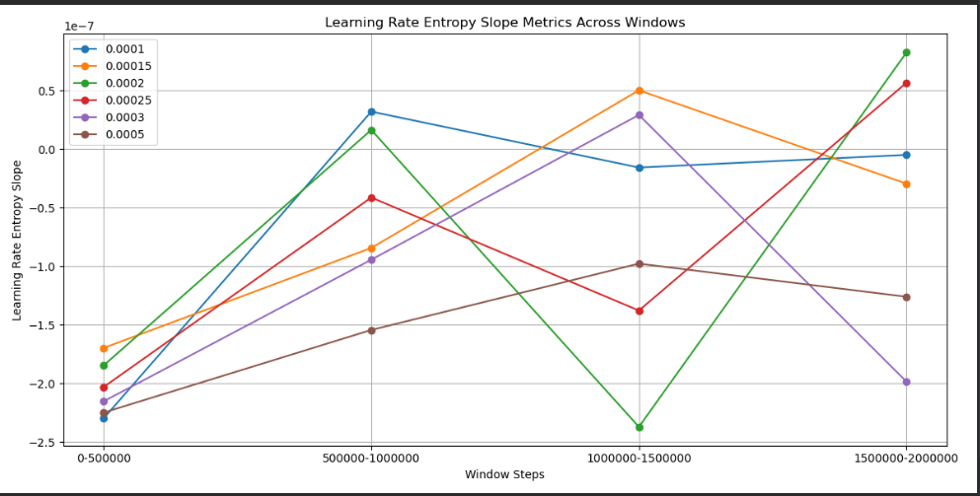
Calculating Slope Metrics:

Window Slope Table:
0.0001 0.00015 0.0002 0.00025 0.0003 0.0005
0-500000 -2.299644e-07 -1.698610e-07 -1.847172e-07 -2.031589e-07 -2.154089e-07 -2.250056e-07
500000-1000000 3.202045e-08 -8.443316e-08 1.635563e-08 -4.135679e-08 -9.446600e-08 -1.544702e-07
1000000-1500000 -1.574880e-08 5.022284e-08 -2.372323e-07 -1.378511e-07 2.914719e-08 -9.782720e-08
1500000-2000000 -4.933946e-09 -2.956061e-08 8.255002e-08 5.666172e-08 -1.985955e-07 -1.260953e-07

Performing ANOVA test for Slopes:
ANOVA Results: F-statistic = 0.4472, P-value = 0.8097
No significant difference between groups.

Ranking Groups for Slopes:

Best Overall Group: 0.0005 with Points = 20 and Average Value = -0.0000

Performing Pairwise T-Tests for Slopes:

Pairwise T-Tests for Slopes:
{'Comparison': '0.0005 vs 0.0001', 'T-statistic': -1.4731033540859135, 'P-value': 0.2111823820318351, 'Significant': False}
{'Comparison': '0.0005 vs 0.00015', 'T-statistic': -1.719855515494271, 'P-value': 0.1477821980316229, 'Significant': False}
{'Comparison': '0.0005 vs 0.0002', 'T-statistic': -0.8566487444839261, 'P-value': 0.4430560914409359, 'Significant': False}
{'Comparison': '0.0005 vs 0.00025', 'T-statistic': -1.1021328045038727, 'P-value': 0.3280336955598925, 'Significant': False}
{'Comparison': '0.0005 vs 0.0003', 'T-statistic': -0.4950438414213208, 'P-value': 0.6446389400604995, 'Significant': False}

The group '0.0005' is NOT statistically significantly better than all other groups for Slopes.

Plotting Slope Metrics:

